Sheet1
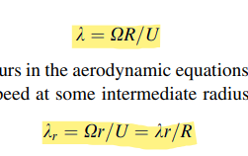
Tip Speed Ratio (TSR) |  |  | 6 | Wind Speed |  |  | 6
NO. of Rotor Blades (B) |  |  | 3 | Kinematic Viscosity |  |  | 1.48E-05
Blade length (R) |  |  | 1 | Lift coefficient (CL) |  |  | 1.334
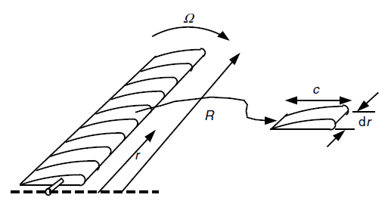
Angle of Attack (AOA) for MAX Glide Ratio |  |  | 8 | Air Foil |  |  | NACA 6409
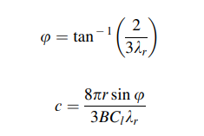
 | Fraction of Rotor Radius r/R | Chord (C) | Angle of rel. wind (deg) ɸi | Twist Angle (deg) ɵT,i | Reynlods Number (Re) | Tip Speed Ratio Range
1 | 0.1 | 0.259 | 48.04 | 40.04 | 108110.43 | 0.6
2 | 0.2 | 0.169 | 29.07 | 21.07 | 70635.65 | 1.2
3 | 0.3 | 0.121 | 20.33 | 12.33 | 50516.08 | 1.8
4 | 0.4 | 0.093 | 15.53 | 7.53 | 38928.19 | 2.4
5 | 0.5 | 0.076 | 12.54 | 4.54 | 31552.04 | 3
6 | 0.6 | 0.063 | 10.50 | 2.50 | 26484.47 | 3.6
7 | 0.7 | 0.055 | 9.02 | 1.02 | 22801.48 | 4.2
8 | 0.8 | 0.048 | 7.91 | -0.09 | 20009.00 | 4.8
9 | 0.9 | 0.043 | 7.04 | -0.96 | 17821.21 | 5.4
10 | 1 | 0.039 | 6.34 | -1.66 | 16062.01 | 6

